Sheet1
 | Document No. | Issue No. |  | Issue Date |  | Review and Replace Date |  | Authorised By
 | GFF240MC | 3 |  | 11.11.2020 |  | 23.12.2021 |  | Magda Shah
 | Document Title | LAMB SAMOSA 100G
Document amendments reason for change | Film Updated |  |  | Page 1 of 1 | Previous Issue Date |  | 22.02.2021 | Uncontrolled copy unless signed original

CLSAL-G6T & CLSAL-G12T & CLSAL-1G6T |  |  | GAZEBO |  | LAMB SAMOSA 100G

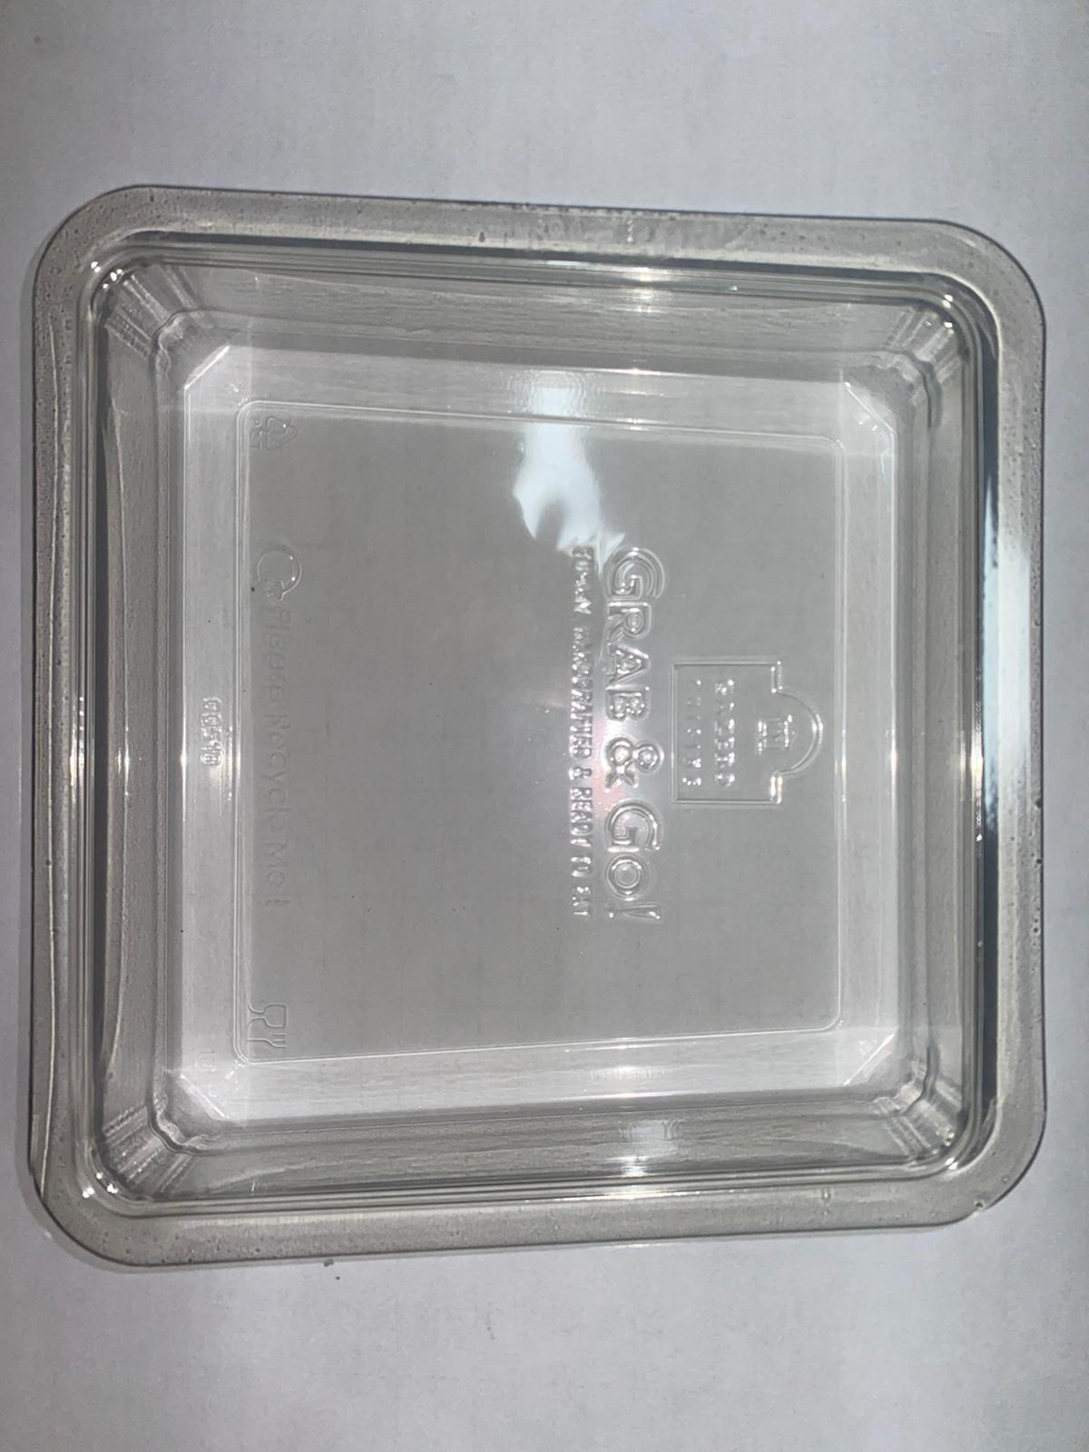 |  |  |  |  | 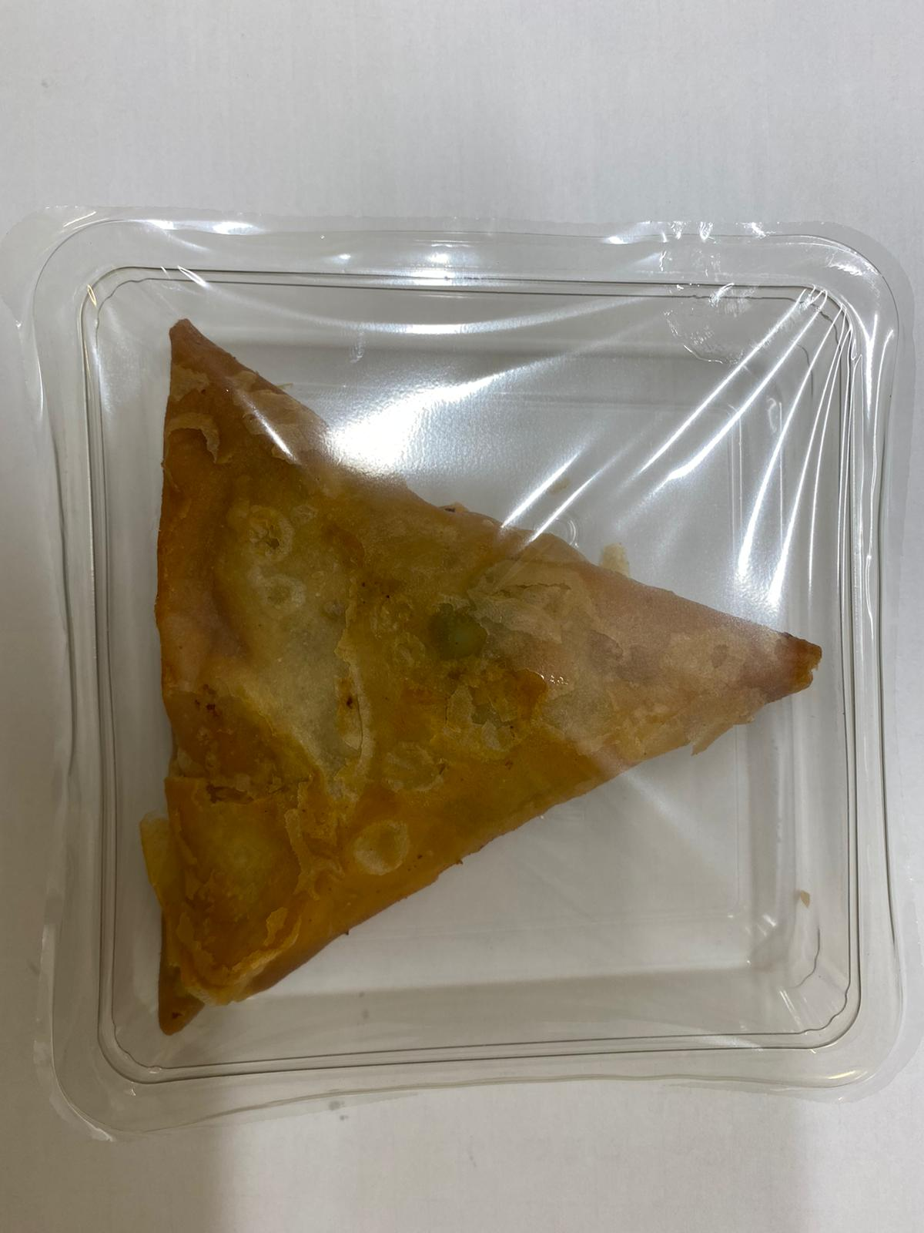

Tray: Clear Trapezoid Tray (PKLEE001-02) |  |  |  |  | LAMB SAMOSA (GFF005R) 100g
Film: K-PEEL 7G+ AF 25 (250mm x 1000)(PKKMP001-01) |  |  |  |  | Total Weight: 100g
ALLERGY ALERT: WHEAT, SOYA

